Tips
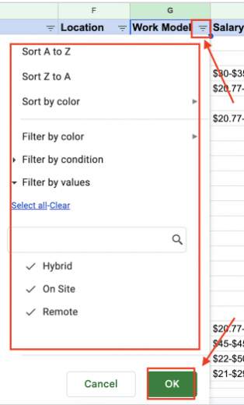
How to Filter Internships by Specific Criteria?
Setting a filter helps you customize and view specific requirements in different criteria. Note: To keep the sheet organized for everyone, please create a filter view before applying any filters.

Follow these steps to create and apply a customized filter: Step 1: Click "Data" -> "Create filter view"
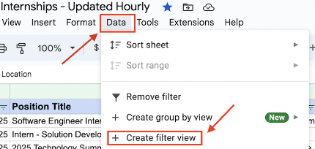

Step 2: Click the filter icon next to each criterion.
A menu will appear with various filter options and conditions.
Select the conditions you want, then click "OK" to apply the filter.

